ITP - Stormwater
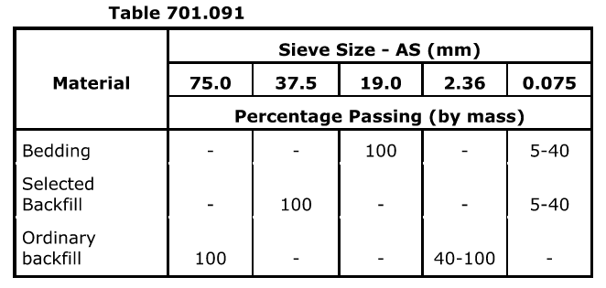
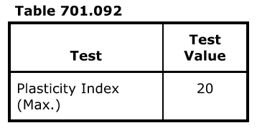
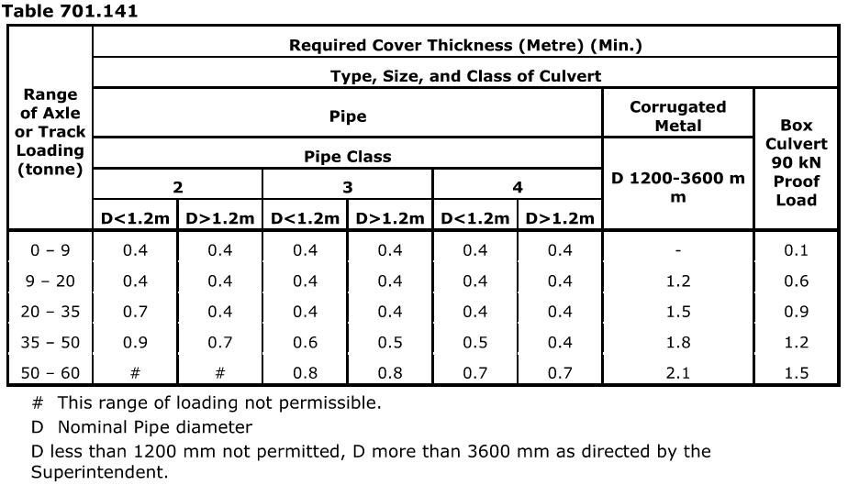
 |  |  | Inspection and Test Plan - Control and Supervision of the Works |  |  |  |  |  |  |  | Document #
 |  |  |  |  |  |  |  |  |  |  | Revision : 01

Client: Department of State Growth |  |  |  | Construction Process: |  | Prepared by: |  | Reviewed by : |  |  | Approved by :
Project: DSG Minor Works Panel - Bruny Island Main Road |  |  |  | Stormwater and Subsurface Drainage |  | Name: | Dhruv Patel | Name: |  |  | Name:
Contract No: |  |  |  | Specifications: Sections 701, 702
 |  |  |  | Structure / Component: Drainage Pipes, Pits and Headwalls |  | Signed : |  | Signed : |  |  | Signed :
 |  |  |  | Location: Bruny Island Main Raod |  | Date : |  | Date : |  |  | Date :

Lot No: |  |  | Lot Details: |  |  |  |  |  | Lot Size/ Quantity:

Item | Task/Activity Description |  | Inspection / Controls and Verification Detail |  |  |  |  | HP/ WP/ AP/ IP/ TP/ SCP | Responsibility | Checked by:
No. |  |  | Frequency | Acceptance Criteria | Reference Documents | Inspection / Test Method | Record of conformity |  | Project Engineer Site Engineer Superintendent Surveyor Foreman | Client | Fulton Hogan | QAV | Date
1 | Preliminary Works
1.1 | Check for correct documentation |  | Prior to commencing any activity | Ensure that all employees and subcontractors are: - using the correct and complete set of drawings - all drawings are the latest revision - Conflicting documents will be referenced to the hierarchy of documents listed in Section 175.03 | Drawings and drawing registers, Cl 175.03 | Visual inspection | This ITP Signed | HP* | Site Engineer | N/A |  | N/A
1.2 | Implementation of all measures and controls |  | Prior to commencing any activity | All necessary measures and controls are being implemented, that is: PSP, EMP, TMP, SWMS & WP | OHSMP, EMP, TMS, SWMS, WP | Visual Inspection | This ITP Signed | HP* | Site Engineer | N/A |  | N/A
1.3 | Material Classification |  | Each Lot | Pipes supplied shall be of the category and diameter shown on the drawings or specified in clause 702.12 and shall comply with the requirements of the appropriate Australian Standard in accordance with Section 175 or as follows: Category 1: Perforated plastics Class 1000; Precast concrete Class "2" Category 2: Perforated plastics Class 400 Category 3: Geocomposite drains Granular material as per clause 702.05, Geotextile material as per clause 702.06 | Cl 702.04 Cl 702.05 Cl 702.06 | Verify | Order acceptance certificate, This ITP signed off | IP | Site Engineer | N/A |  | N/A
2 | Procurement of Materials
2.1 | Precast Reinforced Concrete Pipe Supply |  | Prior to works commencing | Pipe class and size and endwall type as per drawings and Cl 701.05 | Cl 701.05, Drawings | Verify | This ITP Signed Order acceptance certificate | HP* | Site Engineer | N/A |  | N/A
2.2 | Precast Reinforced Concrete Inlet and Outlet Structures supply |  | Prior to works commencing | The supply of precast inlet and outlet structures shall conform with D.S.G standard drawings Concrete supply shall conform with Section 610 and reinforcement supply shall comply with Section 611. | 610 611 standard drawings | Verify | This ITP Signed Recievable Inspection Checklist | HP* | Site Engineer | N/A |  | N/A
2.3 | Bedding and Backfill Material Specification |  | Grading 1 test per 1,000t | Bedding and Backfill materials free from perishable matter and lumps and shall conform with the requirements of Table 701.091 and Table 701.092 Ordinary backfill shall be free from perishable matter and shall conform with the requirements of Table 701.091 | Cl 701.09(d) Table 701.091 Table 701.092 | Verify | This ITP Signed, Quarry test report | TP | Site Engineer | N/A |  | N/A
2.4 | Setout of Works |  | Prior to works commencing | Hold Point Prior to commencement of excavation for the culverts the contractor shall confirm the position of all culverts with the Superintendent | Cl 701.10 | Visual inspection | Survey records, pegs on ground & this ITP Signed | HP | Site Engineer / QAV | N/A
3 | Installation of Underground Stormwater Drainage
3.1 | Excavation Permit |  | Each lot | An excavation permit must be issued prior to any excavation commencing. Plant and equipment shall be appropriate for the task. Excavation operations shall not disturb areas outside the limit of excavation | Excavation permit | Verify | This ITP Signed | HP* | Site Engineer | N/A |  | N/A
3.2 | Excavation for trench |  | Each Lot | Excavation for the installation of pipes shall allow for the clearance from the outside of the pipe to the wall of the trench between 300mm and 600mm; The base of the trench shall be inspected to verify compliance with the requirements in this clause prior to placing bedding in comleted exacavations.The Superintendent shall be notified at least 24 hours prior to the inspection. | Cl 701.15 Table 701.151, Cl 702.08 | Visual Inspection | This ITP Signed | HP | Site Engineer/ Superintendent |  |  | N/A
3.3 | Trench Base Preparation / Bedding |  | Each Lot | Bedding material placed in full width of trench and compacted to at least 100mm thick, or; where the culvert is to be placed without trenching, to a width of 0.8m greater than the overall width of the culvert. Bedding of granular filter material of thickness between 25 mm and 50mm shall be placed across bottom of trench and shall be tamped and screeded or graded to level. | Cl 701.16 Cl 702.09 (c) | Visual inspection / Measure | This ITP Signed | IP | Site Engineer | N/A |  | N/A
3.4 | Laying/ Placing of pipes |  | Each Lot | Laying of pipes to commence from the downstream end. Pipes to be laid with rebate or socket end facing upstream and be fully entered. Departure from design grade of pipe runs ±10 mm in 10 m provided minimum grade is not less than 1:250. Pipes shall be placed centrally in the trench on the prepared bedding and held firmly in place | Cl 701.10d Cl 701.17, Cl 702.09 (d) | Visual Inspection | This ITP Signed | IP | Site Engineer | N/A |  | N/A
3.5 | Jointing |  | Each Lot | Rubber ring joint pipes shall be jointed with rubber rings. Rubber rings shall be kept undisturbed, clean, and free from dirt and other foreign materials and shall be stored undercover if pipes are not to be installed immediately. | Cl 701.18 | Visual Inspection | This ITP Signed | IP | Site Engineer | N/A |  | N/A
3.6 | Tolerance |  | Each Lot | Location of each culvert run verified by survey prior to backfilling and recorded in as-constructed drawings. Tolerance: Invert level of pipes at pits ± 50mm Departure from design grade of pipe runs ± 10mm in 10m provided min grade > 1:250 | Cl '701.10 | Verify | This ITP Signed | SCP | Surveyor, Site Engineer | N/A |  | N/A
4 | Backfilling of Stormwater
4.1 | Filling |  | Each Lot | (i) Culvert Under Area to be Paved The trench shall be backfilled to design subgrade level with selected material. (ii) Culvert Under Area not to be Paved The trench shall be backfilled with selected backfill material to a level 0.3 m above the top of the culvert and with ordinary backfill material above that level. | Cl 701.19 | Visual Inspection | This ITP Signed | IP | Site Engineer | N/A |  | N/A
4.2 | Placement of granular backfill |  | Prior to backfilling | Hold Point Filter material shall be moistened and compacted with minimal disturbance to pipes. The method of compaction shall be in accordance with the submitted quality procedures | Cl 702.09 (g) | Verify | This ITP signed | HP | Site Engineer/ Superintendent |  |  | N/A
4.3 | Placement of no fines backfill |  | Each Lot | Hold Point Where no fines concrete is used as filter material the Contractor shall submit quality procedures for review by the Superintendent which detail the method of placing the no-fines concrete to prevent segregation and the formation of a slurry layer at the surface of the concrete which may prevent the passage of water into the filter material. | Cl 702.09 (g) | Verify | This ITP signed | HP | Site Engineer/ QAV |  |  | N/A
4.4 | Testing and Acceptance of Fill Materials |  | 3 Tests per Lot tested with 20% of all Lots tested | Bedding and backfill materials shall be placed and compacted in layers not exceeding 150mm loose thickness and shall be assessed for compaction and moisture content. Bedding shall be compacted to refusal using hand held mechanical equipment. Backfill material with nominal size < 40mm after compaction shall be compacted to a mean density ratio of not less than 97% CDR. Backfill material with a swell equal to or greater than 2.5% shall be maintained at a mean moisture ratio of 92% between the completion of rolling and the placement of the overlying layer. | Cl '701.20 | Verify | Compaction Test Result OR This ITP Signed | TP | Site Engineer | N/A |  | N/A
4.5 | Access Points and Flushouts |  | Each Lot | Access point installed at the beginning and end of the drainage run and inspection openings at intervals between 100m and 150m. Flushout risers have same diameter as pipe. | Cl 702.10 | Verify | This ITP signed | IP | Site Engineer | N/A |  | N/A
4.6 | Flushing Test |  | At completion of stage | Flushing test undertaken on each subsurface drainage line after completion of the drains, flushers and risers, and after completion of barriers and road furniture. The test should be witnessed by a representative nomitated by the superintendent. Record of flushing tests must be kept. | Cl 702.09(h) | Site inspection | Signed ITP/ Record of flushing tests | TP | Site Engineer / QAV | N/A
4.7 | Installation of Inlet or Outlet Structure |  | Each Lot | Inlet and outlet structures shall be installed to a tolerance of +-20mm where matching kerbs or barriers or +-100mm in all other areas. | Cl '701.10 Cl 701.25 | Verify | This ITP Signed | IP | Site Engineer | N/A |  | N/A
4.8 | Culvert Coverage |  | Each Lot | Until the minimum compacted thickness of cover in Table 701.141 for axle or track loading has been provided, construction traffic shall not be permitted to cross the culvert. | Cl 701.14 Table 701.141 | Visual inspection | This ITP Signed | IP | Site Engineer | N/A |  | N/A
5 | Subsurface / Subsoil Drainage
2.1 | Excavation Permit |  | Each lot | An excavation permit must be issued prior to any excavation commencing. Plant and equipment shall be appropriate for the task. Excavation operations shall not disturb areas outside the limit of excavation | Excavation permit | Verify | This ITP Signed Off | HP* | Site Engineer | N/A |  | N/A
2.2 | Excavation of Trench |  | Each Lot | Hold Point Bottom of trench shall be compacted and at a depth no more than 50mm below the specified pipe invert. Grade of the base of the trench shall not allow ponding of water Any loose material shall be removed. To be inspected by Superintendent | 702.08 | Visual Inspection | This ITP signed off | HP | Site Engineer/ Superintendent |  |  | N/A
2.3 | Placement of bedding |  | Each Lot | Bedding of granular filter material of thickness between 25 mm and 50mm placed across bottom of trench and screeded or graded to level | 702.09 (c ) | Visual Inspection | This ITP signed off | IP | Site Engineer | N/A |  | N/A
2.4 | Placing pipes and geofabric (if required) |  | Each Lot | Pipes placed centrally in trench and held firmly in place positioned with openings at the lower half of the pipe. If geofabric required (subsurface drains installed in expansive materials), minimum width of geotextile used for wrapping is 450 mm | 702.09 | Visual Inspection | This ITP signed off | IP | Site Engineer | N/A |  | N/A
2.5 | Placement of granular backfill |  | Prior to backfilling | Hold Point Filter material shall be moistened and compacted with minimal disturbance to pipes. The method of compaction shall be in accordance with the procedures and reviewed by the Superintendent. | 702.09 | Visual Inspection | This ITP signed off | HP | Site Engineer/ Superintendent |  |  | N/A
2.6 | Placement of backfill |  | Each Lot | Granular filter material placed and compacted compacted in layers not exceeding 300mm with minimal disturbance to pipes. Concrete is to be placed and compacted within one hour of mixing | 702.09 (g) | Visual inspection | This ITP signed off | IP | Site Engineer | N/A |  | N/A
2.7 | Install Pits and Flushouts |  | Each Lot | Installed in accordance with drawings and Cl 702.10 | 702.1 | Verify | This ITP signed off | IP | Site Engineer | N/A |  | N/A
2.8 | Flushing Test |  | At completion of stage | Flushing test shall be witnessed by a representative nominated by the superintendent and shall confirm that the drainage line is free of obstruction. To be complete after installation of kerb and channel, barriers and road furniture. | C702.09(h) | Site inspection | Signed ITP/ Record of flushing tests | WP | Site Engineer | N/A |  | N/A
6 | Finishing and Commissioning
5.1 | Finishing and Rendering Pipes |  | Each Lot | All stormwater inlet and outlet connections shall be cut trimmed neat and finished with cementitious mortar. | Work Procedure | Verify | This ITP Signed | IP | Site Engineer | N/A |  | N/A
5.2 | Inspection of subsurface drainage lines |  | At completion of stage | Hold Point All subsurface drainage lines constructed shall be inspected, after completion of the flushing test and prior to placement of asphalt, by an independent testing organisation using closed circuit television (CCTV) to verify that the flow of water is not obstructed by waste construction material left inside and to check for visible signs of defects. | Cl 702.09(i) | Site inspection | This ITP signed | HP | Site Engineer / QAV | N/A
5.3 | Repair of Damaged Pipes |  | Each Lot | Damaged pipes shall be repaired in accordance with 701.31 of the Specification, no repairs shall be undertaken without the Superintendent's approval of the repair materials and procedures. | Cl 701.31 | Verify | This ITP Signed | HP | Site Engineer / Superintendent |  |  | N/A
5.4 | CCTV |  | Each Lot | Hold Point All drainage lines constructed shall be inspected, after completion of earthworks to subgrade level and prior to construction of pavement layers, by an independent testing organisation using closed circuit television (CCTV) to verify that the flow of water is not obstructed by waste construction material left inside and to check for visible signs of defects. | Cl 701.30 WSA 05-2013 | Verify | This ITP Signed | HP | Site Engineer / QAV | N/A
 | The signature below verifies that this ITP has been completed in accordance with the FH’s Quality system Procedures and verifies lot compliance with specifications.
 | Fulton Hogan | Print Name: |  | Position: |  | Signature: |  |  |  |  | Date: / /

Legend
HP | Hold Point | Work shall not proceed past the HP until released by the Superintendent |  |  | IP | Inspection point |  | Formal Inspection to be done and recorded
HP* | FH Hold Point | Work shall not proceed past the HP* until released by FH |  |  | TP | Test Point |  | Product compliance test to be undertaken and recorded/reported
WP | Witness Point | An inspection which must be witnessed by the Superintendent |  |  | SCP | Survey conformance point |  | A qualified surveyor to check product/section/structure and report
AP | Approval Point | Written or verbal approval given by the Superintendent

